Least cost
Trasportation problem

 | Project A | Project B | Project C | Capacity
Plant 1 | $10 | $4 | $9 | 80
Plant 2 | $12 | $6 | $8 | 40
Plant 3 | $8 | $9 | $5 | 30
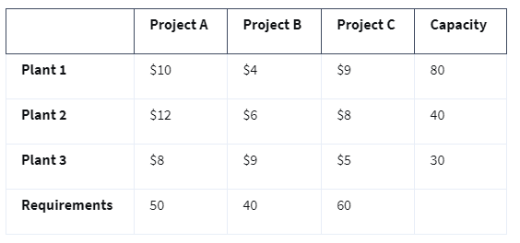
Requirements | 50 | 40 | 60

Origin/Factories | Destination/Projects | Unit cost | shipments
Plant 1 | Project A | 10 | 40
Plant 1 | Project B | 4 | 40
Plant 1 | Project C | 9 | 0
Plant 2 | Project A | 12 | 0
Plant 2 | Project B | 6 | 0
Plant 2 | Project C | 8 | 40
Plant 3 | Project A | 8 | 10
Plant 3 | Project B | 9 | 0
Plant 3 | Project C | 5 | 20

Supply constraints
Projects | outflow | sign | capacity
Plant 1 | 80 | <= | 80 | =SUMIF($A$10:$A$18,A22,$D$10:$D$18)
Plant 2 | 40 | <= | 40
Plant 3 | 30 | <= | 30

Demand constraints
Projects | Inflow | sign | Demand
Project A | 50 | >= | 50
Project B | 40 | >= | 40
Project C | 60 | >= | 60

Objective(least cost) | 1060

